Instructions
To make the entire worksheet have green and white stripes: |  | Green and white

1. Select any cell in Column C.

2. Click the "Format Painter" button near the top left of your screen. | Format Painter button
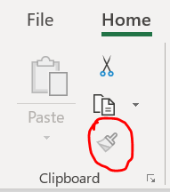

3. Click the "Select All" button (the small grey triangle in the top corner of your worksheet). | Select All button

4. Now you'll have to get rid of the "template-y" stuff on your sheet - delete columns A and B, and then select the two illustrations and delete them.

5. If you want to make the entire worksheet have blue and white stripes, do the steps above except select column D, etc.

6. Or use one of the other tabs in this worksheet and delete the others.

